TestReport
 |  |  | HH.ru test report
During testing, the method of 30 test cases was applied, which checks the operation of the HH.ru website
The essence of testing is to check the operation of all the required functions of the HH.ru site and its correct work.

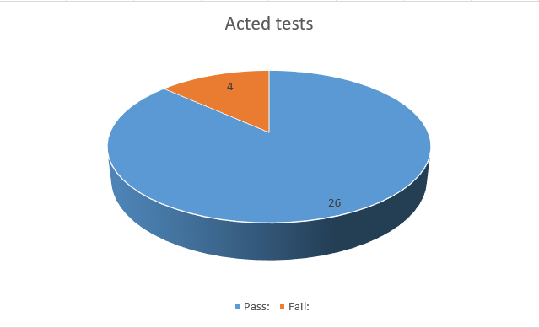
Test cases completed during testing: |  |  | Conclusion:
 | Test Description: | The result | This section presents conclusions from the test results, as well as general statistics on defects that were identified as a result of testing the HH.ru website
1 | Register using a Russian phone number in the registration form | pass | During the testing period, 4 defects were identified: 3 fuctional defects and 1 content defect.
2 | Register using a Kyrgyz phone number in the registration form | fail
3 | Register using valid mail in the registration form | pass
4 | Sign in with valid data in the registration form | pass
5 | Add some data to the account when authorization is completed | pass
6 | Delete some data from the account when authorization is completed | pass
7 | Change some data in the account when authorization is completed | pass
8 | Change the password in the account when authorization is completed | pass
9 | Add a photo to the account when authorization is completed | pass
10 | Search for a job without regisrtration | pass
11 | Log out from the account when authorization is completed | pass | Defects found do not affect the basic functionality of the website and can be ignored.
12 | Delete the account when authorization is completed | pass
13 | Search by vacancy "QA engeneer" when authorization is completed | pass
14 | Search by city "Bishkek" when authorization is completed | pass
15 | Search by all countries when authorization is completed | pass
16 | Search by a set of criteria when authorization is completed | pass
17 | Respond for a position with cover letter when authorization is completed | pass
18 | Respond for a position without cover letter when authorization is completed | pass
19 | Register using invalid email in the registration form | Pass
20 | Register using invalid phone in the registration form | Pass
21 | Register using invalid data in the registration form | Pass
22 | Use a password that does not match security criteria | Fail
23 | Sign in with invalid data in the authorization form | Pass
24 | Respond for a position without autorization while on the web-site | Pass
25 | Search without certain vacancy while on the web-site | Fail
26 | Search invalid vacancy while on the web-site | Pass
27 | Create the same resume in the account when authorization is completed | Pass
28 | Сhange the password to the same in the account when authorization is completed | Pass
29 | Respond for the same position 2 times | Pass

